Normalised
 | (P/E)2025 | (P/E)2024 | (P/E)2023 | (P/E)2022 | (P/E)2021 | (P/E)2020 | (P/E)2019 | (P/E)2018 | (P/E)2017 | (P/E)2016 | (P/E)2015 | (P/E)2014 | flattened
Adani Ports and Special Economic Zone Ltd | 0.8538947928 | 0.7435765888 | 0.8305987888 | 0.7536220847 | 0.805547969 | 0.9348202663 | 0.8834324561 | 0.8801736365 | 0.8975577685 | 0.9000129485 | 0.8145442204 | 0.8610997783 | 0.8538947928
Asian Paints Ltd | 0.7501593177 | 0.6199696908 | 0.4940811851 | 0.207033418 | 0.381033557 | 0.5407417542 | 0.4777098474 | 0.5961876844 | 0.5939026053 | 0.6392075748 | 0.570946803 | 0.6805125711 | 0.7435765888
AXIS Bank Ltd | 0.9482599682 | 0.9474146712 | 0.842019845 | 0.9102884277 | 0.803431255 | 0.571710521 | 0.7102012423 | 0 | 0.7961472941 | 0.9438182535 | 0.8995686034 | 0.9594579841 | 0.8305987888
Bajaj Finserv Ltd | 0 | 0 | 0 | 0.8336267573 | 0.8945931539 | 0.9628252864 | 0.923906909 | 0.9614262938 | 0.9819651021 | 0.540129044 | 0.7189284567 | 0.8935161379 | 0.7536220847
Bajaj Finance Ltd | 0.9889409721 | 0.9934555872 | 0.9959897426 | 0 | 0 | 0.6099528343 | 0.1729863467 | 0.1083072389 | 0.01055393251 | 0.9926528154 | 0.9866584966 | 1 | 0.805547969
Bharat Electronics Ltd | 0.6946066405 | 0.7328819326 | 0.846679393 | 0.8678968689 | 0.9277211599 | 0.9675230202 | 0.9490575329 | 0.842214246 | 0.8252380088 | 0 | 0.8595558528 | 0.9701300759 | 0.9348202663
Bharti Airtel Ltd | 0.7946675904 | 0.2388171066 | 0.614463978 | 0.1989362709 | 1 | 1 | 0 | 0 | 0.7343156396 | 0.8534539192 | 0.757953581 | 0.6594252744 | 0.8834324561
HCL Technologies Ltd | 0.8384720276 | 0.8227064571 | 0.8818086874 | 0.8508138848 | 0.8458566604 | 0.9606565007 | 0.9253449554 | 0.9184654179 | 0.9280821903 | 0.8760972914 | 0.8904543228 | 0.924163796 | 0.8801736365
HDFC Bank Ltd | 0.8739363165 | 0.9072387626 | 0.8773895371 | 0.8626975112 | 0.8245819056 | 0.8978511057 | 0.798058325 | 0.8114173158 | 0.8347636557 | 0.8633258428 | 0.8430690895 | 0.8704475136 | 0.8975577685
Hindustan Unilever Ltd | 0.621014596 | 0.6036200496 | 0.5380834947 | 0.5831463309 | 0.4337491952 | 0.4138022684 | 0.5237707242 | 0.5724039423 | 0.6718842929 | 0.6585903917 | 0.6780868984 | 0.7664551515 | 0.9000129485
ICICI Bank Ltd | 0.8920616022 | 0.9031667569 | 0.8978623879 | 0.8786496719 | 0.868622401 | 0.8635159045 | 0.5300011013 | 0.8526632975 | 0.9025193323 | 0.9365629321 | 0.9244154758 | 0.9406687844 | 0.8145442204
Infosys Ltd | 0.8423713289 | 0.8484741304 | 0.846247198 | 0.7385186925 | 0.7934187378 | 0.9110773137 | 0.8718959743 | 0.9151467159 | 0.9126030141 | 0.874578534 | 0.8759792623 | 0.9010856252 | 0.8610997783
ITC Ltd | 0.9256947035 | 0.8271663969 | 0.8389745193 | 0.8777141172 | 0.8764496432 | 0.9339671586 | 0.8036777276 | 0.8138386491 | 0.7673290879 | 0.6863150925 | 0.8204387352 | 0.78066725 | 0.7501593177
Kotak Mahindra Bank Ltd | 0.8843497856 | 0.8841996456 | 0.852973124 | 0.8030407174 | 0.7524192288 | 0.8021511594 | 0.7468310691 | 0.7753724275 | 0.7722064691 | 0.7411318232 | 0.7650847983 | 0.8439187258 | 0.6199696908
Larsen & Toubro Ltd | 0.7766325623 | 0.7050773885 | 0.8015315064 | 0.8051062275 | 0.9044503239 | 0.9507568055 | 0.8645425845 | 0.8373004147 | 0.7367421802 | 0.8215938587 | 0.7630323061 | 0.8451606355 | 0.4940811851
Mahindra & Mahindra Ltd | 0.8540327828 | 0.8888053862 | 0.944867498 | 0.9355431949 | 0.6311147671 | 1 | 0.9344679146 | 0.9608413552 | 0.7272842264 | 0.8687491088 | 0.8597181429 | 0.9460234894 | 0.207033418
Maruti Suzuki India Ltd | 0.8368673518 | 0.7985165558 | 0.7889058585 | 0.5428142073 | 0.643946966 | 0.8556851909 | 0.825048815 | 0.7588249139 | 0.843398009 | 0.8763081818 | 0.7989565615 | 0.8725095523 | 0.381033557
NTPC Ltd | 0.9010708716 | 0.9178110504 | 0.9664633615 | 0.9855806127 | 0.9915445564 | 0.9913223839 | 0.9690435134 | 0.9155146891 | 0.9428861703 | 0.9683431493 | 0.9480742459 | 0.9784007952 | 0.5407417542
Power Grid Corporation of India Ltd | 0.9026417007 | 0.9151692803 | 0.9650400687 | 0.975647071 | 0.9723361797 | 0.9883976909 | 0.9640350852 | 0.9463793125 | 0.9334880991 | 0.9476845761 | 0.9229531293 | 0.9574011525 | 0.4777098474
Reliance Industries Ltd | 0.8386881251 | 0.8026076545 | 0.8484758661 | 0.8052042959 | 0.8260303663 | 0.9005961514 | 0.876638837 | 0.9279502754 | 0.9406870095 | 0.9638302699 | 0.9643292902 | 0.948292947 | 0.5961876844
State Bank of India | 0.9766225472 | 0.9667818666 | 0.9807769998 | 0.9456494411 | 0.9277437243 | 0.9765053859 | 0 | 1 | 0 | 0.9479510096 | 0.951862461 | 0.9659808305 | 0.5939026053
Sun Pharmaceutical Industries Ltd | 0.7233805858 | 0.7011989158 | 0.8119736149 | 0.4699077732 | 0.6250492837 | 0.8589839322 | 0.6789669099 | 0.5759630419 | 0.847869231 | 0.6773926093 | 0.7903977122 | 0.7263113538 | 0.6392075748
Tata Motors Ltd | 0.9794361539 | 0.9485125159 | 0.4733505795 | 1 | 1 | 1 | 1 | 0.9462716977 | 0.8693600833 | 0.9557877982 | 0.9438008963 | 0.9742159675 | 0.570946803
Tata Steel Ltd | 0.5651043599 | 1 | 0.9271848216 | 1 | 0.943189054 | 0.8562814117 | 1 | 1 | 1 | 1 | 1 | 0.956540234 | 0.6805125711
Tata Consultancy Services Ltd | 0.8205576322 | 0.7859264902 | 0.81214198 | 0.740532131 | 0.7356330533 | 0.8701064441 | 0.8446329758 | 0.8693965334 | 0.8955235014 | 0.8764045144 | 0.8355681633 | 0.8645634132 | 0.9482599682
Tech Mahindra Ltd | 0.7972911355 | 0.6466303935 | 0.8790462845 | 0.8481790575 | 0.8837934865 | 0.9475700184 | 0.9146928244 | 0.9249049496 | 0.9295688369 | 0.9341051485 | 0.8547374862 | 0.9341008092 | 0.9474146712
Titan Company Ltd | 0.3468797388 | 0.2156018137 | 0.457453094 | 0.1549235471 | 0 | 0.5745779351 | 0.4296563607 | 0.4130203252 | 0.5636541635 | 0.6667890785 | 0.6834849965 | 0.7785869862 | 0.842019845
Trent Ltd | 0 | 0.2342773236 | 0.09971888233 | 0 | 1 | 0 | 0 | 0 | 0.1495601635 | 0 | 0.7262506035 | 1 | 0.9102884277
UltraTech Cement Ltd | 0.5673443102 | 0.7057048523 | 0.6771357223 | 0.8286582507 | 0.7449582242 | 0.9121421797 | 0.6406013603 | 0.6303727456 | 0.7036193813 | 0.7435297243 | 0.7274300272 | 0.8175426816 | 0.803431255
 |  |  |  |  |  |  |  |  |  |  |  |  | 0.571710521
 |  |  |  |  |  |  |  |  |  |  |  |  | 0.7102012423
 |  |  |  |  |  |  |  |  |  |  |  |  | 0
Global min | 0 |  |  |  |  |  |  |  |  |  |  |  | 0.7961472941
Global Max | 1 |  |  |  |  |  |  |  |  |  |  |  | 0.9438182535
 |  |  |  |  |  |  |  |  |  |  |  |  | 0.8995686034
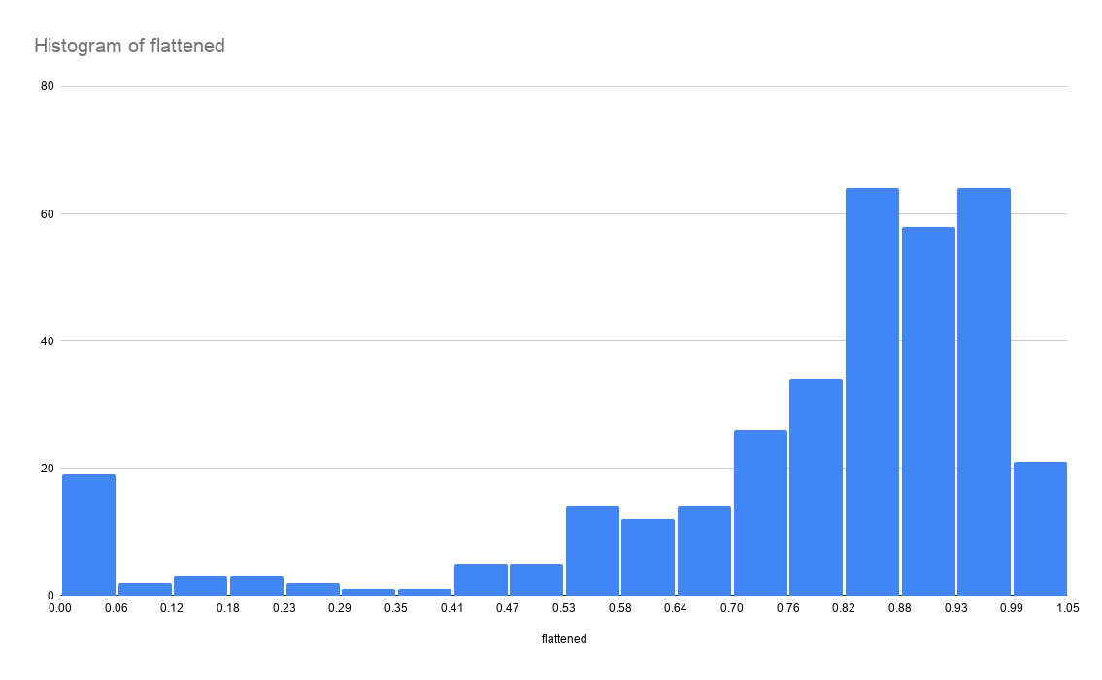
 |  |  |  |  |  |  |  |  |  |  |  |  | 0.9594579841
 |  |  |  |  |  |  |  |  |  |  |  |  | 0
 |  |  |  |  |  |  |  |  |  |  |  |  | 0
 |  |  |  |  |  |  |  |  |  |  |  |  | 0
 |  |  |  |  |  |  |  |  |  |  |  |  | 0.8336267573
 |  |  |  |  |  |  |  |  |  |  |  |  | 0.8945931539
 |  |  |  |  |  |  |  |  |  |  |  |  | 0.9628252864
 |  |  |  |  |  |  |  |  |  |  |  |  | 0.923906909
 |  |  |  |  |  |  |  |  |  |  |  |  | 0.9614262938
 |  |  |  |  |  |  |  |  |  |  |  |  | 0.9819651021
 |  |  |  |  |  |  |  |  |  |  |  |  | 0.540129044
 |  |  |  |  |  |  |  |  |  |  |  |  | 0.7189284567
 |  |  |  |  |  |  |  |  |  |  |  |  | 0.8935161379
 |  |  |  |  |  |  |  |  |  |  |  |  | 0.9889409721
 |  |  |  |  |  |  |  |  |  |  |  |  | 0.9934555872
 |  |  |  |  |  |  |  |  |  |  |  |  | 0.9959897426
 |  |  |  |  |  |  |  |  |  |  |  |  | 0
 |  |  |  |  |  |  |  |  |  |  |  |  | 0
 |  |  |  |  |  |  |  |  |  |  |  |  | 0.6099528343
 |  |  |  |  |  |  |  |  |  |  |  |  | 0.1729863467
 |  |  |  |  |  |  |  |  |  |  |  |  | 0.1083072389
 |  |  |  |  |  |  |  |  |  |  |  |  | 0.01055393251
 |  |  |  |  |  |  |  |  |  |  |  |  | 0.9926528154
 |  |  |  |  |  |  |  |  |  |  |  |  | 0.9866584966
 |  |  |  |  |  |  |  |  |  |  |  |  | 1
 |  |  |  |  |  |  |  |  |  |  |  |  | 0.6946066405
 |  |  |  |  |  |  |  |  |  |  |  |  | 0.7328819326
 |  |  |  |  |  |  |  |  |  |  |  |  | 0.846679393
 |  |  |  |  |  |  |  |  |  |  |  |  | 0.8678968689
 |  |  |  |  |  |  |  |  |  |  |  |  | 0.9277211599
 |  |  |  |  |  |  |  |  |  |  |  |  | 0.9675230202
 |  |  |  |  |  |  |  |  |  |  |  |  | 0.9490575329
 |  |  |  |  |  |  |  |  |  |  |  |  | 0.842214246
 |  |  |  |  |  |  |  |  |  |  |  |  | 0.8252380088
 |  |  |  |  |  |  |  |  |  |  |  |  | 0
 |  |  |  |  |  |  |  |  |  |  |  |  | 0.8595558528
 |  |  |  |  |  |  |  |  |  |  |  |  | 0.9701300759
 |  |  |  |  |  |  |  |  |  |  |  |  | 0.7946675904
 |  |  |  |  |  |  |  |  |  |  |  |  | 0.2388171066
 |  |  |  |  |  |  |  |  |  |  |  |  | 0.614463978
 |  |  |  |  |  |  |  |  |  |  |  |  | 0.1989362709
 |  |  |  |  |  |  |  |  |  |  |  |  | 1
 |  |  |  |  |  |  |  |  |  |  |  |  | 1
 |  |  |  |  |  |  |  |  |  |  |  |  | 0
 |  |  |  |  |  |  |  |  |  |  |  |  | 0
 |  |  |  |  |  |  |  |  |  |  |  |  | 0.7343156396
 |  |  |  |  |  |  |  |  |  |  |  |  | 0.8534539192
 |  |  |  |  |  |  |  |  |  |  |  |  | 0.757953581
 |  |  |  |  |  |  |  |  |  |  |  |  | 0.6594252744
 |  |  |  |  |  |  |  |  |  |  |  |  | 0.8384720276
 |  |  |  |  |  |  |  |  |  |  |  |  | 0.8227064571
 |  |  |  |  |  |  |  |  |  |  |  |  | 0.8818086874
 |  |  |  |  |  |  |  |  |  |  |  |  | 0.8508138848
 |  |  |  |  |  |  |  |  |  |  |  |  | 0.8458566604
 |  |  |  |  |  |  |  |  |  |  |  |  | 0.9606565007
 |  |  |  |  |  |  |  |  |  |  |  |  | 0.9253449554
 |  |  |  |  |  |  |  |  |  |  |  |  | 0.9184654179
 |  |  |  |  |  |  |  |  |  |  |  |  | 0.9280821903
 |  |  |  |  |  |  |  |  |  |  |  |  | 0.8760972914
 |  |  |  |  |  |  |  |  |  |  |  |  | 0.8904543228
 |  |  |  |  |  |  |  |  |  |  |  |  | 0.924163796
 |  |  |  |  |  |  |  |  |  |  |  |  | 0.8739363165
 |  |  |  |  |  |  |  |  |  |  |  |  | 0.9072387626
 |  |  |  |  |  |  |  |  |  |  |  |  | 0.8773895371
 |  |  |  |  |  |  |  |  |  |  |  |  | 0.8626975112
 |  |  |  |  |  |  |  |  |  |  |  |  | 0.8245819056
 |  |  |  |  |  |  |  |  |  |  |  |  | 0.8978511057
 |  |  |  |  |  |  |  |  |  |  |  |  | 0.798058325
 |  |  |  |  |  |  |  |  |  |  |  |  | 0.8114173158
 |  |  |  |  |  |  |  |  |  |  |  |  | 0.8347636557
 |  |  |  |  |  |  |  |  |  |  |  |  | 0.8633258428
 |  |  |  |  |  |  |  |  |  |  |  |  | 0.8430690895
 |  |  |  |  |  |  |  |  |  |  |  |  | 0.8704475136
 |  |  |  |  |  |  |  |  |  |  |  |  | 0.621014596
 |  |  |  |  |  |  |  |  |  |  |  |  | 0.6036200496
 |  |  |  |  |  |  |  |  |  |  |  |  | 0.5380834947
 |  |  |  |  |  |  |  |  |  |  |  |  | 0.5831463309
 |  |  |  |  |  |  |  |  |  |  |  |  | 0.4337491952
 |  |  |  |  |  |  |  |  |  |  |  |  | 0.4138022684
 |  |  |  |  |  |  |  |  |  |  |  |  | 0.5237707242
 |  |  |  |  |  |  |  |  |  |  |  |  | 0.5724039423
 |  |  |  |  |  |  |  |  |  |  |  |  | 0.6718842929
 |  |  |  |  |  |  |  |  |  |  |  |  | 0.6585903917
 |  |  |  |  |  |  |  |  |  |  |  |  | 0.6780868984
 |  |  |  |  |  |  |  |  |  |  |  |  | 0.7664551515
 |  |  |  |  |  |  |  |  |  |  |  |  | 0.8920616022
 |  |  |  |  |  |  |  |  |  |  |  |  | 0.9031667569
 |  |  |  |  |  |  |  |  |  |  |  |  | 0.8978623879
 |  |  |  |  |  |  |  |  |  |  |  |  | 0.8786496719
 |  |  |  |  |  |  |  |  |  |  |  |  | 0.868622401
 |  |  |  |  |  |  |  |  |  |  |  |  | 0.8635159045
 |  |  |  |  |  |  |  |  |  |  |  |  | 0.5300011013
 |  |  |  |  |  |  |  |  |  |  |  |  | 0.8526632975
 |  |  |  |  |  |  |  |  |  |  |  |  | 0.9025193323
 |  |  |  |  |  |  |  |  |  |  |  |  | 0.9365629321
 |  |  |  |  |  |  |  |  |  |  |  |  | 0.9244154758
...

